Data Sources
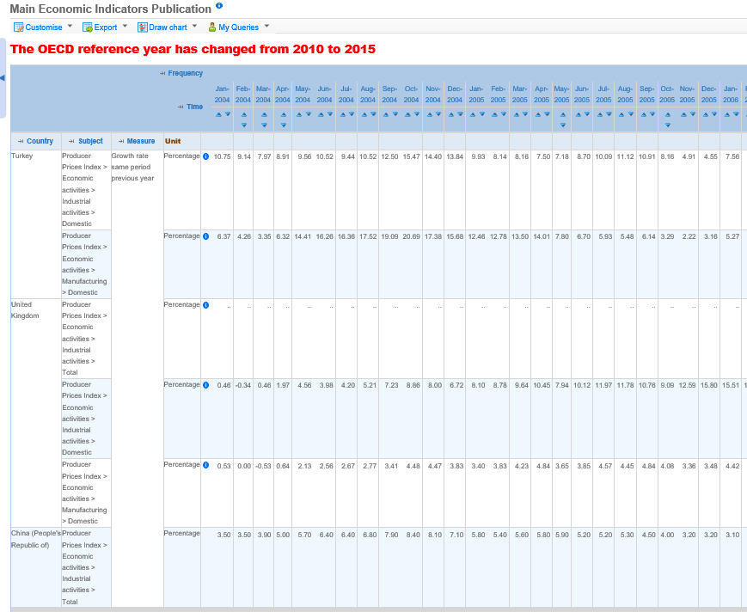
TITLE | RESOURCE | SAMPLE DEFINITION | COUNTRY | DEFINITION | SUBJECT/MEASURE | SUB AREA | MONTH | VARIABLE FOR CHINA | VARIABLE FOR CHINA |  | Soruce
CHN_GBR_841840 | ITC | CHINA Exports/UK Imports Value | CHN/UK | Dependent Variable as Value | USD | Bilateral Trade Flow Between Target (Importing) And Source(Exporting) Country Couple | i | Y | Y
CHN_GBR_841840-1 | ITC | CHINA Exports/UK Imports Value | CHN/UK | Previous Dependent Variable as Value | USD | Previous Bilateral Trade Flow Between Target (Importing) And Source(Exporting) Country Couple | i-1 | 0 | 0
CHN_GBR_841840_UV-1 | ITC | CHINA Exports/UK Imports Unit Value | CHN/UK | Previous Dependent Variable as Unit Value | USD/KG | Previous Bilateral Trade Flow's Unit Value Between Target (Importing) And Source(Exporting) Country Couple |  | 1 | N/A
CHN_World_841840-1 | ITC | CHINA Exports Value | CHN | Source Countries Total Supply Capacity | USD | Source Countries Export Volume to World | i-1 | 2 | 1
CHN_USA_841840-1 | ITC | CHINA Exports Value | CHN | Source Countries Export Volume to its top 5 market. | USD | Source Countries Supply Capacity | i-1 | 3 | 2
CHN_JPN_841840-1 | ITC | CHINA Exports Value | CHN | Source Countries Export Volume to its top 5 market. | USD | Source Countries Supply Capacity | i-1 | 4 | 3
CHN_FRA_841840-1 | ITC | CHINA Exports Value | CHN | Source Countries Export Volume to its top 5 market. | USD | Source Countries Supply Capacity | i-1 | 5 | 4
CHN_DEU_841840-1 | ITC | CHINA Exports Value | CHN | Source Countries Export Volume to its top 5 market. | USD | Source Countries Supply Capacity | i-1 | 6 | 5
TUR_GBR_841840-1 | ITC | UK Imports Value | UK | Target Countries Import Volume from its top 5 exporters | USD | Target Countries Demand Capacity | i-1 | 7 | 6
DEU_GBR_841840-1 | ITC | UK Imports Value | UK | Target Countries Import Volume from its top 5 exporters | USD | Target Countries Demand Capacity | i-1 | 8 | 7
NLD_GBR_841840-1 | ITC | UK Imports Value | UK | Target Countries Import Volume from its top 5 exporters | USD | Target Countries Demand Capacity | i-1 | 9 | 8
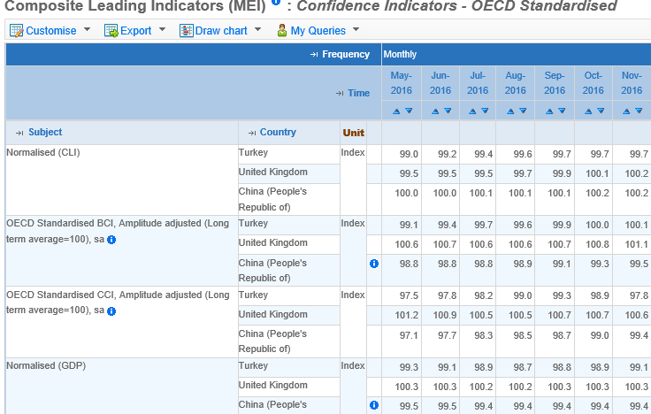
HUN_GBR_841840-1 | ITC | UK Imports Value | UK | Target Countries Import Volume from its top 5 exporters | USD | Target Countries Demand Capacity | i-1 | 10 | 9
EPU_CHN-1 | EPU | Economic Policy Uncertainty | CHN | Source Countries Economic Policy Uncertainty |  | POLITIC ENVIRONMENT | i-1 | 11 | 10
EPU_UK-1 | EPU | Economic Policy Uncertainty | UK | Target Countries Economic Policy Uncertainty |  | POLITIC ENVIRONMENT | i-1 | 12 | 11
EPU_World-1 | EPU | Economic Policy Uncertainty | WORLD | World Economic Policy Uncertainty |  | POLITIC ENVIRONMENT | i-1 | 13 | 12
BCI_CHN-1 | OECD | Business Confidence Indicator (BCI) | CHN | Source Countries Business Confidence Indicator (BCI) | OECD Standardised BCI, Amplitude adjusted | BUSINESS ENVIRONMENT | i-1 | 14 | 13 | OECD | Monthly Economic Indicators/Composite Leading Indicators (MEI) : Confidence Indicators - OECD Standardised
CCI_CHN-1 | OECD | Consumer Confidence Indicator (CCI) | CHN | Source Countries Consumer Confidence Indicator (CCI) | OECD Standardised CCI, Amplitude adjusted | BUSINESS ENVIRONMENT | i-1 | 15 | 14 | OECD | Monthly Economic Indicators/Composite Leading Indicators (MEI) : Confidence Indicators - OECD Standardised
BCI_GBR-1 | OECD | Business Confidence Indicator (BCI) | UK | Target Countries Business Confidence Indicator (BCI) | OECD Standardised BCI, Amplitude adjusted | BUSINESS ENVIRONMENT | i-1 | 16 | 17 | OECD | Monthly Economic Indicators/Composite Leading Indicators (MEI) : Confidence Indicators - OECD Standardised
CCI_GBR-1 | OECD | Consumer Confidence Indicator (CCI) | UK | Target Countries Consumer Confidence Indicator (CCI) | OECD Standardised CCI, Amplitude adjusted | BUSINESS ENVIRONMENT | i-1 | 17 | 18 | OECD | Monthly Economic Indicators/Composite Leading Indicators (MEI) : Confidence Indicators - OECD Standardised
CLI_CHN-1 | OECD | Composite Leading Indicator (CLI) | CHN | Source Countries Composite Leading Indicator (CLI) | Normalised (CLI) | ECONOMIC ENVIRONMENT | i-1 | 18 | 15 | OECD | Monthly Economic Indicators/Composite Leading Indicators (MEI) : Confidence Indicators - OECD Standardised
CLI_GBR-1 | OECD | Composite Leading Indicator (CLI) | UK | Target Countries Composite Leading Indicator (CLI) | Normalised (CLI) | ECONOMIC ENVIRONMENT | i-1 | 19 | 19 | OECD | Monthly Economic Indicators/Composite Leading Indicators (MEI) : Confidence Indicators - OECD Standardised
GDP_CHN1- | OECD | Gross Domestic Product (GDP) | CHN | Source Countries Gross Domestic Product (GDP) | Normalised (GDP) | ECONOMIC ENVIRONMENT | i-1 | 20 | 16 | OECD | Monthly Economic Indicators/Composite Leading Indicators (MEI) : Confidence Indicators - OECD Standardised
GDP_GBR-1 | OECD | Gross Domestic Product (GDP) | UK | Target Countries Gross Domestic Product (GDP) | Normalised (GDP) | ECONOMIC ENVIRONMENT | i-1 | 21 | 20 | OECD | Monthly Economic Indicators/Composite Leading Indicators (MEI) : Confidence Indicators - OECD Standardised
PPI_CHN-1 | OECD | Producer Price Index (PPI) | CHN | Source Countries Producer Price Index (PPI) | Subject: Economic activities - Total producer prices - Manufacturing ? | ECONOMIC ENVIRONMENT | i-1 | 22 | N/A | OECD
PPI_GBR-1 | OECD | Producer Price Index (PPI) | UK | Target Countries Producer Price Index (PPI) |  | ECONOMIC ENVIRONMENT | i-1 | 23 | N/A | OECD | https://www.oecd-ilibrary.org/economics/data/prices/producer-prices_data-00535-en
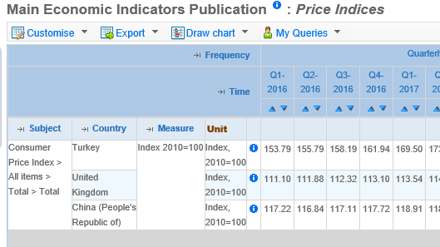
CPI_CHN-1 | OECD | Consumer Price Index (CPI) | CHN | Source Countries Consumer Price Index (CPI) | Subject : Consumer Price Index > All items > Total > Total Measure : Index 2010=100 | ECONOMIC ENVIRONMENT | i-1 | 24 | 21 | OECD | Monthly Economic Indicators/Main Economic Indicators/Price Indices /Consumer price indices (CPIs) - Complete database CPI: 01-12 - All Items
CPI_GBR-1 | OECD | Consumer Price Index (CPI) | UK | Target Countries Consumer Price Index (CPI) | Subject : Consumer Price Index > All items > Total > Total Measure : Index 2010=100, | ECONOMIC ENVIRONMENT | i-1 | 25 | 22 | OECD | Monthly Economic Indicators/Main Economic Indicators/Price Indices /Consumer price indices (CPIs) - Complete database CPI: 01-12 - All Items
CNY-1 | OECD | Exchange Rates | CHN | Source Countries Exchange Rate | Subject : Currency Conversions > US$ exchange rate > Average of daily rates > National currency:USD Measure: Level, rate or national currency | ECONOMIC ENVIRONMENT | i-1 | 26 | 23 | OECD | Monthly Economic Indicators/Main Economic Indicators/Price Indices /Consumer price indices (CPIs) - Complete database CPI: 01-12 - All Items
GBP-1 | OECD | Exchange Rates | UK | Target Countries Exchange Rate | Subject : Currency Conversions > US$ exchange rate > Average of daily rates > National currency:USD Measure: Level, rate or national currency | ECONOMIC ENVIRONMENT | i-1 | 27 | 24 | OECD | Monthly Economic Indicators/Main Economic Indicators/Price Indices /Consumer price indices (CPIs) - Complete database CPI: 01-12 - All Items
World-1 |  | Trade Volume | WORLD | World Trade Volume |  | GLOBAL TRADE | i-1 | 28 | 25 | CPB | https://www.cpb.nl/en/worldtrademonitor

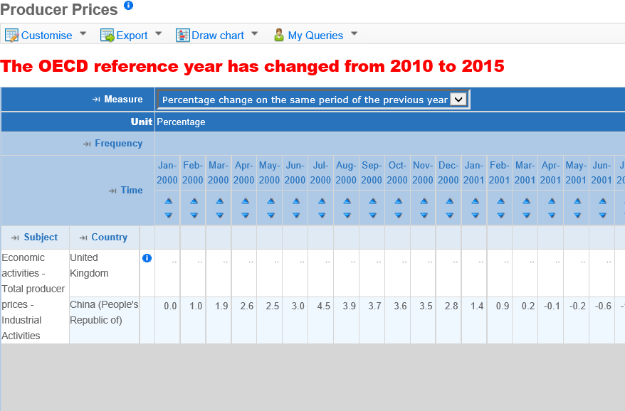

 | Turkiye Cin ve Ingiltere'nin aynı bazda oldugu bir PPI yok. Cin'nin tek oldugu bu PPI cesidi

 |  | PPI Icin kullanılan tablo

